Parts List
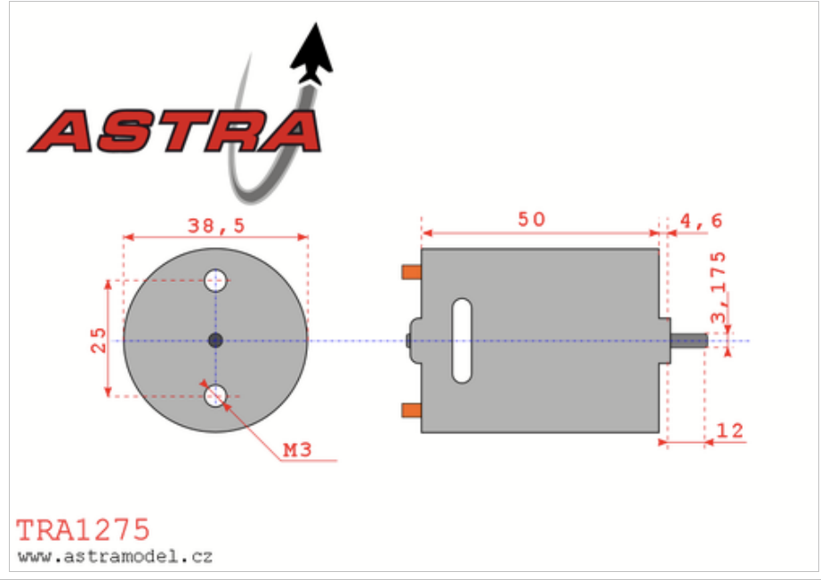
part | link
pulley 1 | https://www.mcmaster.com/1428N2/
pulley 2 | https://www.mcmaster.com/1428N3/
timing belt | https://www.mcmaster.com/1679K451/
wheels | https://www.amazon.com/Rowiz-Off-Road-Wheels-Tires-Crossing/dp/B01HCWDL68
 | https://www.amazon.com/Traxxas-1275-20-Turn-Stinger-Motor/dp/B0006N6QIQ

